records
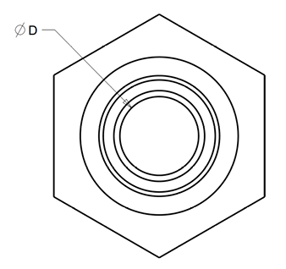
Sample Measurement Record
Mano Engineering LLC |  |  |  |  |  | Part No. X13790919020
No. | L | P | M | D | A
1 | 1.3815 | 0.034 | 0.7865 | 0.12 | 0.44
2 | 1.3825 | 0.043 | 0.7905 | 0.1205 | 0.4405
3 | 1.3790 | 0.0405 | 0.786 | 0.12 | 0.4405
4 | 1.3815 | 0.035 | 0.789 | 0.12 | 0.4405
5 | 1.3785 | 0.0375 | 0.786 | 0.12 | 0.44

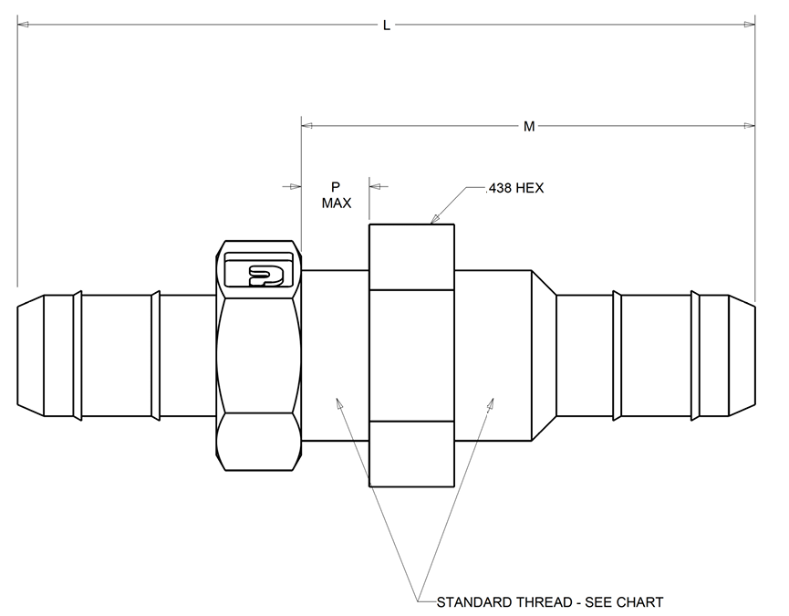

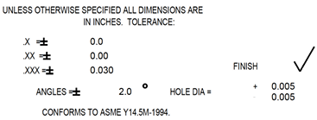
A

